START
WELCOME TO THE EXCEL OBSTACLE COURSE (Sample Version)!
The objective of this game is to increase your efficiency with keyboard shortcuts (hotkeys) in order to eliminate pointing / clicking with the mouse or touchpad.
You will find that your Excel skills and speed will greatly increase as you improve your best time through the course.
Note: Make sure you DON'T SAVE the course upon exiting, otherwise you will not have the ability to restart the course fresh. If you mess up, close out of the spreadsheet and don't save. Reopen the original copy and restart.
Hit 'Start' Button to start the timer, then go to the "Column Delete" tab for your first obstacle. When complete, go to the next tab from left to right.
There are instructions on each obstacle as well as hotkey tips.
Good Luck!

Delete Columns
Obstacle:
Delete the blue columns without using your mouse.
Hotkey hints:
CTRL and Spacebar Highlights entire column
CTRL and - (minus sign) Deletes entire column
Move on to the next tab when complete

Delete Rows
Obstacle:
Delete the blue rows without using your mouse.
Hotkey hints:
Shift and Spacebar Highlights entire row
CTRL and - (minus sign) Deletes entire row
Move on to the next tab when complete

Advance Sheets
Obstacle:
Switch from one sheet to another by using CTRL and Pg Up and Pg Dn
Hotkey hints:
CTRL and Pg Dn (advances one sheet)
CTRL and Pg Up (goes back one sheet)

Advance to next sheet (CTRL and Pg Dn)

Advance Sheets 2
Obstacle:
Switch from one sheet to another by using CTRL and Pg Up and Pg Dn
Hotkey hints:
CTRL and Pg Dn (advances one sheet)
CTRL and Pg Up (goes back one sheet)

Advance to next sheet (CTRL and Pg Dn)

Advance Sheets 3
Obstacle:
Switch from one sheet to another by using CTRL and Pg Up and Pg Dn
Hotkey hints:
CTRL and Pg Dn (advances one sheet)
CTRL and Pg Up (goes back one sheet)

Advance to next sheet (CTRL and Pg Dn)

Copy Down
Obstacle:
Copy down the cells in columns B, C and D
Hotkey hints:
CTRL and D (copies down)
The end result should look like
this ------->
A | B | C | D | D
A | B | C | D | D
A | B | C | D | D
A | B | C | D | D
A | B | C | D | D
A | B | C | D | D
A | B | C | D | D
A | B | C | D | D
A | B | C | D | D
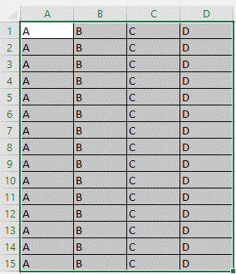
A | B | C | D | D
A | B | C | D | D
A | B | C | D | D
A | B | C | D | D
A | B | C | D | D
A | B | C | D | D

Totals
Obstacle:
Place totals of each column (A through D) in row 20.
Hotkey hints:
ALT and + (sums the numbers directly above the cursor)
The end result should look like
this ------->
35 | 93 | 1 | 98
82 | 68 | 98 | 33
33 | 9 | 50 | 27
94 | 63 | 94 | 94
32 | 4 | 89 | 26
96 | 68 | 38 | 19
77 | 85 | 83 | 38
34 | 36 | 61 | 58
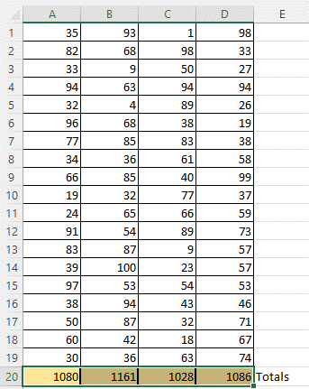
66 | 85 | 40 | 99
19 | 32 | 77 | 37
24 | 65 | 66 | 59
91 | 54 | 89 | 73
83 | 87 | 9 | 57
39 | 100 | 23 | 57
97 | 53 | 54 | 53
38 | 94 | 43 | 46
50 | 87 | 32 | 71
60 | 42 | 18 | 67
30 | 36 | 63 | 74
1080 | 1161 | 1028 | 1086 | Totals

END
Well done!
This completes the "sample free version" of the Excel Obstacle Course. Continue to practice and master these shortcuts.
For the full version, and other challenges, please visit my Stan Store at
https://stan.store/excelobstaclecourse

